Forecast Data - UK
Inputs
Month | UK Sales
1 | 2413530.74
2 | 2799245.93
3 | 6945168.27
4 | 3632496.92 | Alteryx ETS Model Workflow

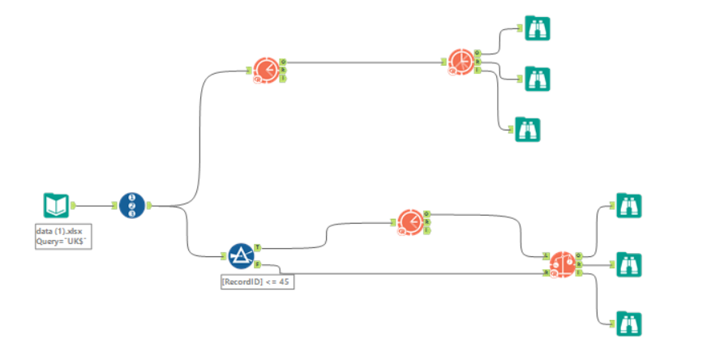
5 | 3661165.84
6 | 7419838.05
7 | 3879122.92
8 | 6424767.88
9 | 5206899.58
10 | 4380582.10
11 | 6934369.19
12 | 19740463.06
13 | 2379425.15
14 | 4023527.49
15 | 7777817.06
16 | 4696012.04
17 | 3991807.00
18 | 8709560.88
19 | 3351381.33
20 | 4846988.52
21 | 10176474.08
22 | 4997962.39
23 | 12001818.72
24 | 28304736.59
25 | 4036636.92
26 | 5626090.61
27 | 7917646.03
28 | 4549380.45
29 | 6827944.61
30 | 10427867.10
31 | 4377702.37
32 | 4773953.64
33 | 11129455.61
34 | 5389153.30
35 | 9285714.76
36 | 27080866.49
37 | 5076260.17
38 | 5048198.18
39 | 7962913.89
40 | 4991132.82
41 | 6295571.97
42 | 9323244.65 | Forecast Accuracy vs Holdout Sample
43 | 4836815.87
44 | 8213437.86
45 | 12583922.64
46 | 5958638.51
47 | 10279647.11
48 | 34389469.73

Forecast Data - DACH
Inputs
Month | DACH Sales
1 | 806519.1099
2 | 1425635.7669
3 | 1358874.7332
4 | 1270381.5118
5 | 1320470.7111
6 | 2541064.6734 | Alteryx ETS Model Workflow
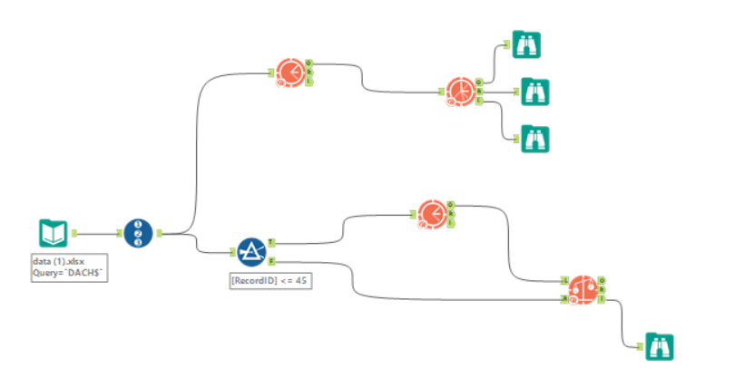
7 | 736551.03
8 | 2414076.5497
9 | 1363236.3216
10 | 798933.3753
11 | 1646082.9492
12 | 6501916.7583
13 | 907854.11115
14 | 1579271.5153
15 | 1515793.9605
16 | 1417325.6778
17 | 1168643.7054
18 | 3391404.7598
19 | 924689.4486
20 | 1833943.3863
21 | 3855258.9404
22 | 1768836.5276
23 | 2235921.2916
24 | 8776130.199
25 | 815479.9992
26 | 2073996.2934
27 | 3796994.7444
28 | 1394283.2444
29 | 2479733.9587
30 | 3643257.7575
31 | 1330763.2671
32 | 1752844.9478
33 | 3477762.054
34 | 2473824.312
35 | 4521766.6744
36 | 14875681.044
37 | 1275237.8677
38 | 2126305.6732
39 | 4057567.7295
40 | 2221955.599
41 | 5477711.7684 | Forecast Accuracy vs Holdout Sample
42 | 7215113.6862
43 | 2460293.6808
44 | 4562613.7935
45 | 6998279.1817
46 | 3090458.8113
47 | 7163370.1329
48 | 25016580.48

Forecast Data - South
Inputs
Month | SOUTH Sales
1 | 513299.72385
2 | 1511393.1597
3 | 2477368.7376
4 | 1248327.4326
5 | 1609849.914 | Alteryx ETS Model Workflow
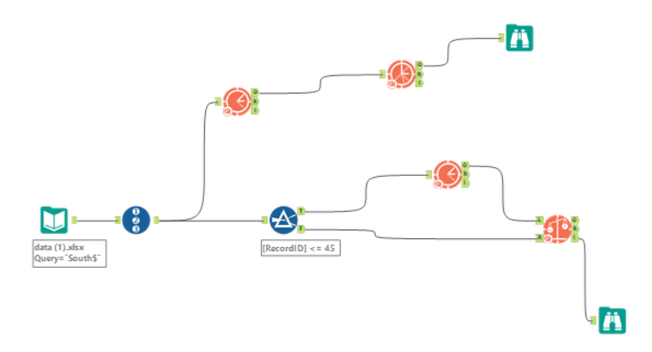
6 | 1953788.9592
7 | 1038132.483
8 | 1991709.122
9 | 2184950.4144
10 | 1143600.8616
11 | 3259169.3694
12 | 4053664.9863
13 | 821326.1799
14 | 760671.4436
15 | 3206200.5132
16 | 679997.19901
17 | 1352086.6959
18 | 4101896.2003
19 | 470780.10276
20 | 1284557.1727
21 | 2119342.9864
22 | 1079211.9787
23 | 2556673.7434
24 | 5473766.3459
25 | 612734.4951
26 | 1124089.5515
27 | 2309456.9658
28 | 1287428.6169
29 | 1280183.6524
30 | 2357709.7664
31 | 490516.68962
32 | 1416854.2
33 | 2815283.3118
34 | 1314221.4113
35 | 2795840.0047
36 | 6738597.0477
37 | 708508.42326
38 | 991571.17197
39 | 2131388.4798
40 | 585106.41082
41 | 1425971.1703 | Forecast Accuracy vs Holdout Sample
42 | 2190766.0794
43 | 561682.33954
44 | 1390155.8931
45 | 2020834.6637
46 | 825086.96427
47 | 6533099.4793
48 | 32276388.447

Forecast - North
Inputs
Month | NORTH Sales
1 | 368720.85185
2 | 371912.4779
3 | 259607.18357
4 | 744154.53772
5 | 945434.54596
6 | 759193.49087 | Alteryx ETS Model Workflow
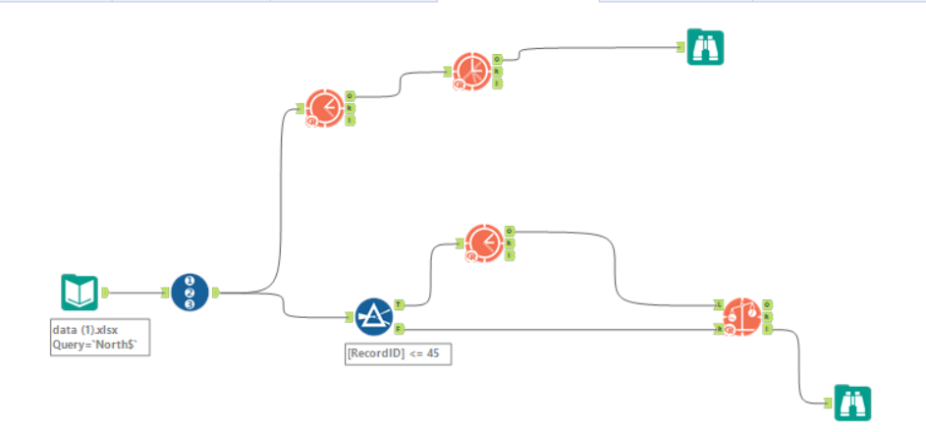
7 | 455524.2907
8 | 814939.85251
9 | 645701.46331
10 | 414919.4609
11 | 1954444.3603
12 | 1647343.4602
13 | 318429.61141
14 | 454092.83178
15 | 754498.30948
16 | 457612.40756
17 | 558827.35551
18 | 1435220.7986
19 | 310847.26501
20 | 755509.59796
21 | 1041488.4761
22 | 380153.92755
23 | 1511318.5555
24 | 1779803.873
25 | 239536.95341
26 | 315623.53324
27 | 882489.1074
28 | 344956.50899
29 | 562712.60069
30 | 905666.07364
31 | 268116.68601
32 | 589302.69963
33 | 883281.56681
34 | 1078092.3178
35 | 1290660.634
36 | 1728493.746
37 | 216804.8776
38 | 335059.09789
39 | 961038.68527
40 | 253273.79709
41 | 491766.17508
42 | 519469.28197
43 | 291428.1081 | Forecast Accuracy vs Holdout Sample
44 | 851703.06327
45 | 1415337.9006
46 | 358375.17589
47 | 1622659.0338
48 | 7614247.3223

Alteryx Outputs & Headcount
UK |  |  |  | DACH |  |  |  | SOUTH |  |  |  | NORTH |  |  |  |  |  | Region | 2017 Sales
Period | Sub_Period | forecast |  | Period | Sub_Period | forecast |  | Period | Sub_Period | forecast |  | Period | Sub_Period | forecast |  |  |  | UK | 114,959,253
2018 | 1 | 5994926.6367 |  | 2018 | 1 | 2488077.1995 |  | 2018 | 1 | 1902957.8217 |  | 2018 | 1 | 539767.5232 |  |  |  | DACH | 71,665,488
2018 | 2 | 7446272.9997 |  | 2018 | 2 | 4755178.0711 |  | 2018 | 2 | 3353334.8673 |  | 2018 | 2 | 678216.06191 |  |  |  | SOUTH | 51,640,560
2018 | 3 | 13253198.571 |  | 2018 | 3 | 6949706.5328 |  | 2018 | 3 | 7868250.0952 |  | 2018 | 3 | 1602130.9484 |  |  |  | NORTH | 14,931,163
2018 | 4 | 7775939.0941 |  | 2018 | 4 | 4213334.4765 |  | 2018 | 4 | 2730554.1626 |  | 2018 | 4 | 820994.12466
2018 | 5 | 8761230.4699 |  | 2018 | 5 | 6789781.6146 |  | 2018 | 5 | 4199650.9132 |  | 2018 | 5 | 1218803.5116
2018 | 6 | 14854608.664 |  | 2018 | 6 | 10536765.363 |  | 2018 | 6 | 8874408.2122 |  | 2018 | 6 | 1426300.3997 |  |  |  | Region | 2017 Headcount
2018 | 7 | 6829628.3082 |  | 2018 | 7 | 3332769.2402 |  | 2018 | 7 | 1975016.5976 |  | 2018 | 7 | 586517.96655 |  |  |  | UK | 651
2018 | 8 | 10348063.938 |  | 2018 | 8 | 7202036.4943 |  | 2018 | 8 | 4210247.1845 |  | 2018 | 8 | 1245372.7215 |  |  |  | DACH | 245
2018 | 9 | 15715772.907 |  | 2018 | 9 | 10421732.384 |  | 2018 | 9 | 6311985.1326 |  | 2018 | 9 | 2081555.1431 |  |  |  | South | 168
2018 | 10 | 8580356.4535 |  | 2018 | 10 | 5419115.3024 |  | 2018 | 10 | 2836680.1994 |  | 2018 | 10 | 1086566.0505 |  |  |  | North | 56
2018 | 11 | 15758167.696 |  | 2018 | 11 | 9532615.6478 |  | 2018 | 11 | 11054197.128 |  | 2018 | 11 | 2618543.0826 |  |  |  |  | 1120
2018 | 12 | 43321411.347 | SOB | 2018 | 12 | 33872975.431 | SOB | 2018 | 12 | 31280095.368 | SOB | 2018 | 12 | 6001449.1298 | SOB |  | Total All Regions 2018
TOTAL 2018 |  | $158,639,577 | 43% | TOTAL 2018 |  | $105,514,088 | 28% | TOTAL 2018 |  | $86,597,378 | 23% | TOTAL 2018 |  | $19,906,217 | 5% |  | $370,657,259

Based on Share Of Business - Put Resources Where There Is High Potential, Withdraw From Where There Is Little Promise
 |  |  | vs LY |  |  |  | vs LY |  |  |  | vs LY |  |  |  | vs LY
Total Headcount UK |  | 747 | 15% | Total Headcount DACH |  | 309 | 26% | Total Headcount SOUTH |  | 220 | 31% | Total Headcount NORTH |  | 68 | 21% | Total
Headcount Allocated |  | 96 |  | Headcount Allocated |  | 64 |  | Headcount Allocated |  | 52 |  | Headcount Allocated |  | 12 |  | 224

Using the output of the ETS Model, I calculated the forecasted Sales per Region for 2018 to then understand their contribution towards total sales. I then based my Headcount Allocation on the Share of Business each region had to assign resources based on where there is high potential and therefore maximizing revenues!

